Sheet1
编号 | 产品名字 （中文） | 库存数量 | ADD | PHOTO | ASIN | reference LINK | Real package photos
1 | Karaoke Machine K52 pink | 6000 | GA 30076 USA |  | 6354836553 | https://www.amazon.com/dp/B0DHJDTBWB?th=1
2 | Karaoke Machine K52 blue | 6000 | GA 30076 USA |  | 9418104691 | https://www.amazon.com/dp/B0DHJDTBWB?th=1 | 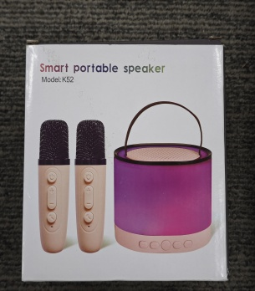
3 | Karaoke Machine K52 beige | 1000 | GA 30076 USA |  | 7723016958 | https://www.amazon.com/dp/B0DHJDTBWB?th=1 | 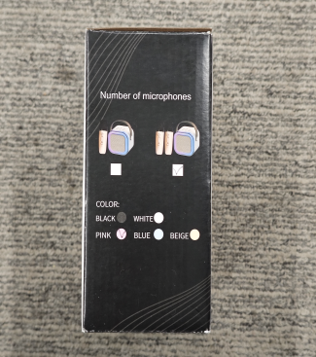
5 | Karaoke Machine K52 blue | 380 | CA 95125，USA |  | 9418104691 | https://www.amazon.com/dp/B0DHJDTBWB?th=1
6 | Karaoke Machine K52 beige | 800 | CA 95125，USA |  | 7723016958 | https://www.amazon.com/dp/B0DHJDTBWB?th=1 | 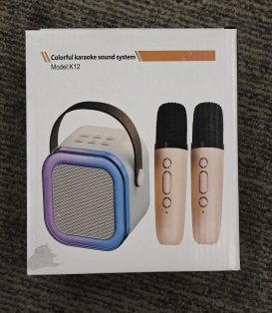
7 | Karaoke Machine K12 blue | 1000 | GA 30076 USA |  | 3295791893 | https://www.amazon.com/dp/B0DCNNH9VC?th=1
8 | Karaoke Machine K12 pink | 600 | GA 30076 USA |  | 4578651896 | https://www.amazon.com/dp/B0DCNNH9VC?th=1 | 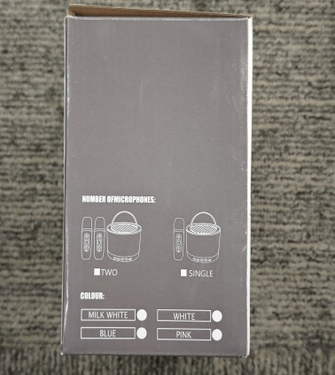
9 | Karaoke Machine K12 beige | 600 | GA 30076 USA |  | 6207452339 | https://www.amazon.com/dp/B0DCNNH9VC?th=1
 |  | 16380

